Game Concept
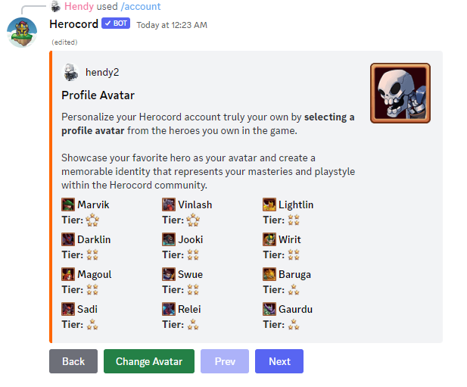
Game Path (Current Idea) |  |  | Game Items |  | Character Concept |  | Coming Soon
Notes: all concepts and naming conventions are not fixed, they can be changed! |  |  | Notes: all concepts and naming conventions are not fixed, they can be changed! |  | Notes: all concepts and naming conventions are not fixed, they can be changed! |  | Notes: all concepts and naming conventions are not fixed, they can be changed!
Story | • Main quest |  | Currency | • Coin, for basic character gacha and main currency | Basic | • Passive (Variety), Skill active (chance 25%) & Skill ulti (unique, 4 turn per ulti) | Guild | • Guild members (up to 30 members)
 | • Short story based on current chapter |  |  | • AniCoin, for advance character gacha |  | • 4 Chara. for testing (Konosuba) |  | • Level system, level 1 (10 members), level 2 (15 members), ....
 | • One character battle |  |  |  |  | • Character *1-3, Max lvl. 50, skills (passive, action) |  | • Guild benefits, currency for guild, guild bonus status by leveling up
 | • Need some requirement to continue certain chapter |  |  |  |  | • Character *4. Max lvl 100, level 50+ breakthrough (+10 lvl). skills (passive, action, ultimate) |  | • Guild raids, 7 days (different elements), rewards: guild contribution, etc
 | • Rewards: Coin, AniCoin Misc. Items, and others |  | Misc. Items | • Element shard combine to core |  | • Character *5. Max lvl 100, level 50+ breakthrough (+10 lvl). skills (passive, action, ultimate) |  | • Guild dungeon, 2x a week, rewards: guild contribution, etc.
 | • Chapter of each storyline, according to needs |  |  | • Character Fragment, collect certain amount to exchange |  | • Character *5 Awaken, No trade, +special skill (passive). Upgrade each skills |  | • Guild war, match by guild power, 10 members (by one each members), Unlocked in certain guild level, rewards: guild contribution, etc
 | • First story from Konosuba (Reincarnated story), the others will be discussed |  |  | • Double Exp, per time |  | • Choose one of 3 character in beginning (water, fire, wind). Can awaken and No trade - Original
 |  |  |  | • Double Gold, per time | Awaken | • Max Level character 100
 |  |  |  | • Character shard base on star (*). Random chara 50, choose chara 200 |  | • Special Item | Leaderboard | • Story chapter rank (based on first finished)
 |  |  |  | • Hero box (certain element or star) |  |  |  | • Floor (based on first highest)
Floor | • Place where players can level up |  |  |  |  |  |  | • Hero collection (variety of heroes) rank
 | • One character battle |  |  |  |  |  |  | • Coin amount rank
 |  |  |  |  | Breakthrough | • Element core, 1= 1, 2=2,....5=5 |  | • Guild power rank
 |  |  |  |  |  | • Same Character, breakthrough 1= 1, 2=2,....5=5 | Arena | • Ranked
Dungeon | • Divided into 4 levels (Easy, Medium, Hard, Nightmare) |  |  |  |  |  |  | • Casual
 | • Each day different element for dungeon. 7 days (Light, Dark, Fire, Water, Wind, Lightning, Earth)
 |  |  | Equipment | • Equipment (1-5*). Weapon, Head, Body, Arm, Feet, Accessories
 | • Rewards: Misc. items
Boss Raid | • Party room concept, max 10 player
 | • Divided into 4 levels (Easy, Medium, Hard, Nightmare)
 | • Rewards: Character, Character Fragment

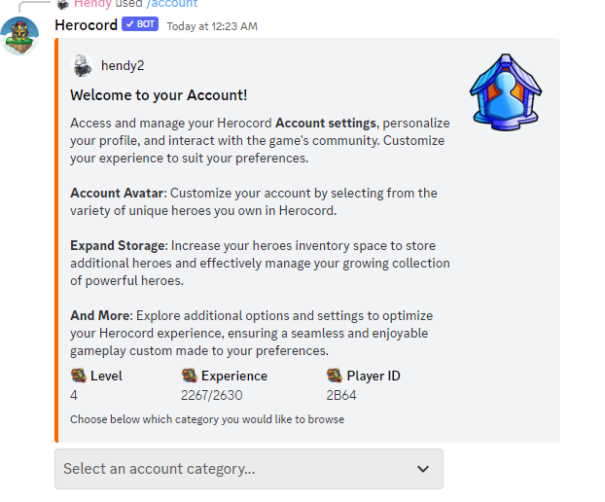
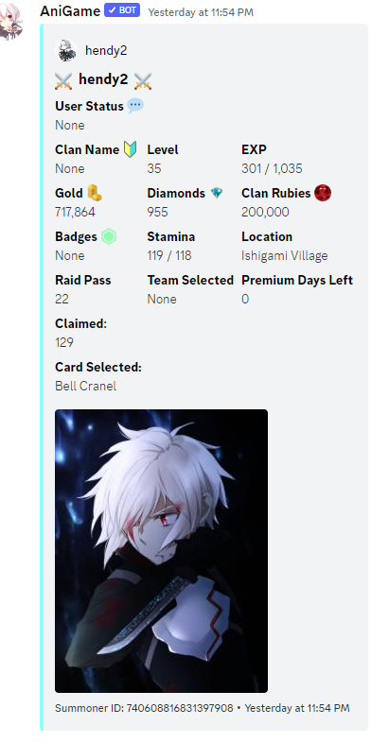
Explore Map
Main Story | Adventurer's Guild | Announcement Plaza | Account
 |  |  | Edit profile
 |  |  | add friends? / show other people?
 |  |  | game settings
 |  |  | personal progress
 |  |  | vip pass / mothnly pass?
 |  |  | redeem

